Read me
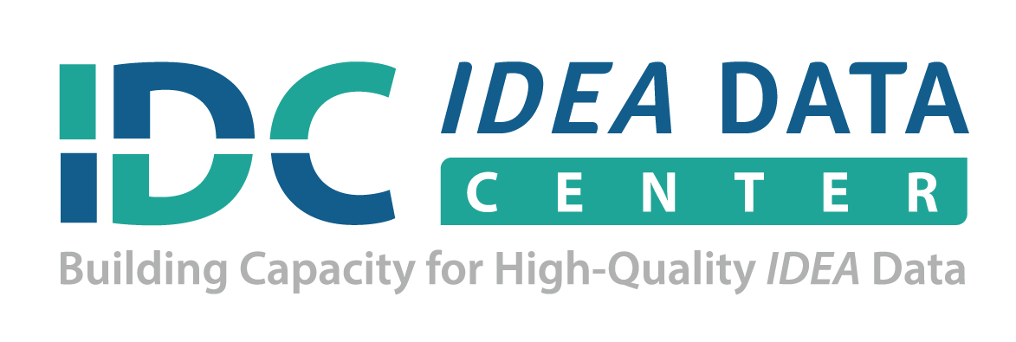
IDEA Part B Indicator 12 Transition Template: Calculating Data Worksheet

Purpose
This IDEA Part B Indicator 12 Transition self-calculating template may be used to convert state and local education agency (LEA) early childhood transition data into percentages. Percentages of B12 reporting subsets allow for better understanding of the indicator and will allow for district comparisons.
Instructions
Enter the state name on line 6. Enter LEA names right below the state name, followed by the corresponding LEA transition data in the columns to the right. The state subset numbers on line 6 will be autocalculated as LEA data is entered. Each LEA B12 reporting percentage will be autocalucated in column H. The template will automatically calculate subset percentages for each LEA on the percentage tab.

Note
All district data must be entered in order to calculate the correct state numbers and percentages. Consider the number of children used to calculate the percentage when interpreting differences among districts. Percentages computed using a small number of children may not be appropriate for interpretation or comparison. Furthermore, please follow your state’s guidance on data privacy to prevent distinguishable and traceable information that can be used to identify an individual(s). For more information related to disclosure avoidance, please visit:
http://ptac.ed.gov/sites/default/files/FAQs_disclosure_avoidance.pdf
Citation
Abraham, S., and Cate, D. (2016, September). IDEA Part B Indicator 12 Transition Template: Calculating Data Worksheet. IDEA Data Center. Rockville, MD: Westat.
Acknowledgement

IDC is a partner with DaSy on the Powerful 619 Data Topic Cohort; this resource grew out of that joint work.
For more information about DaSy, see:
http://www.dasycenter.org/
Please note this tool is currently not 508 accessible. If you need assistance with the use of this tool, please
contact your IDC State Liaison or visit:
www.ideadata.org.

The IDEA Data Center (IDC) created this document under U.S. Department of Education, Office of Special Education Programs Grant No. H373Y130002. Richelle Davis and Meredith Micelli serve as the project officers.

The views expressed herein do not necessarily represent the positions or policies of the Department of Education. No official endorsement by the U.S. Department of Education of any product, commodity, service, or enterprise mentioned in this publication is intended or should be inferred. This product is public domain. Authorization to reproduce it in whole or in part is granted.

For more information about the IDEA Data Center's work, see:
www.ideadata.org
Version Date: September 2016
IDEA Data Center (IDC)

